Proc 1 - GLM
ANOVA sur les clusters cah et le Price-to-Earnings en target avec tous les graphs

The GLM Procedure

Class Level Information
Class | Levels | Values
cah | 4 | cluster_1 cluster_2 cluster_3 cluster_4

Number of Observations Read | 110
Number of Observations Used | 110

ANOVA sur les clusters cah et le Price-to-Earnings en target avec tous les graphs

The GLM Procedure

Dependent Variable: PER

Source | DF | Sum of Squares | Mean Square | F Value | Pr > F
Model | 3 | 17680.62044 | 5893.54015 | 54.48 | <.0001
Error | 106 | 11466.13415 | 108.17108
Corrected Total | 109 | 29146.75459

R-Square | Coeff Var | Root MSE | PER Mean
0.606607 | 63.53798 | 10.40053 | 16.36900

Source | DF | Type I SS | Mean Square | F Value | Pr > F
cah | 3 | 17680.62044 | 5893.54015 | 54.48 | <.0001

Source | DF | Type III SS | Mean Square | F Value | Pr > F
cah | 3 | 17680.62044 | 5893.54015 | 54.48 | <.0001

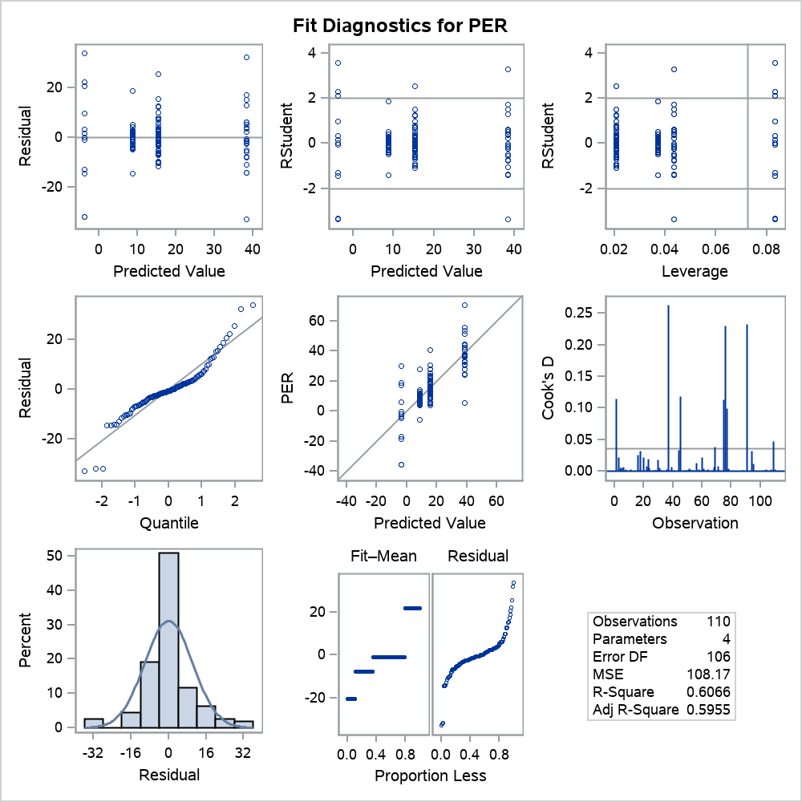

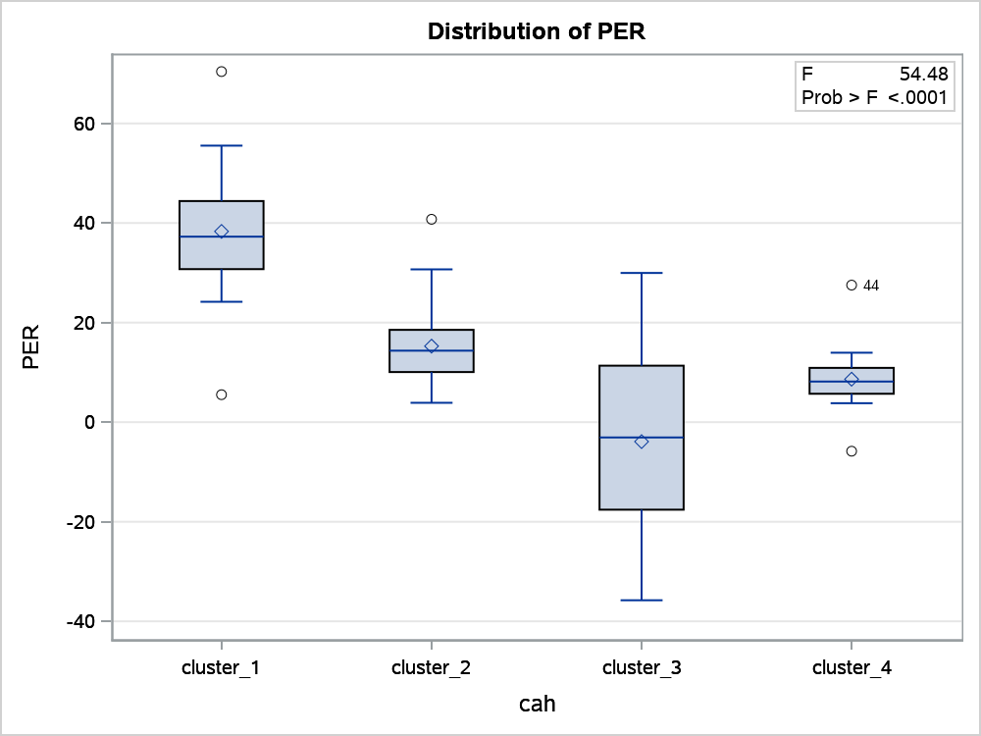

ANOVA sur les clusters cah et le Price-to-Earnings en target avec tous les graphs

The GLM Procedure

Levene's Test for Homogeneity of PER Variance ANOVA of Squared Deviations from Group Means
Source | DF | Sum of Squares | Mean Square | F Value | Pr > F
cah | 3 | 1279949 | 426650 | 9.67 | <.0001
Error | 106 | 4679090 | 44142.4

ANOVA sur les clusters cah et le Price-to-Earnings en target avec tous les graphs

The GLM Procedure

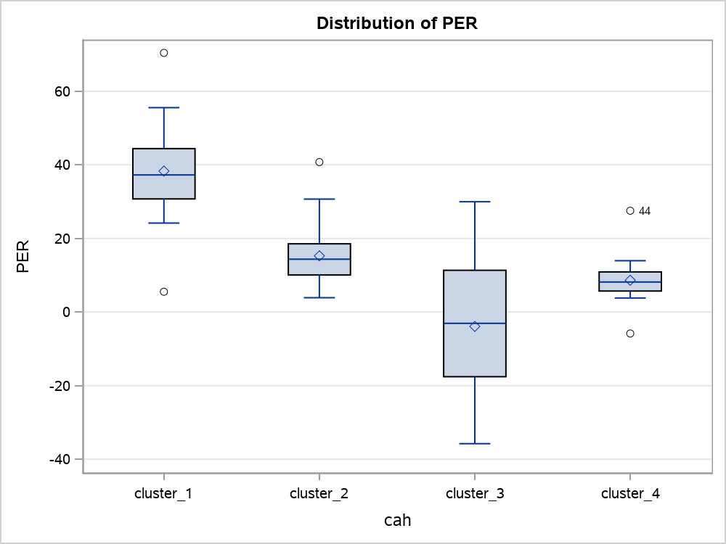

Level of cah | N | PER
 |  | Mean | Std Dev
cluster_1 | 23 | 38.3134783 | 12.8692338
cluster_2 | 48 | 15.2750000 | 7.2747044
cluster_3 | 12 | -3.8991667 | 20.4046761
cluster_4 | 27 | 8.6285185 | 5.3901446

Proc 2 - GLM
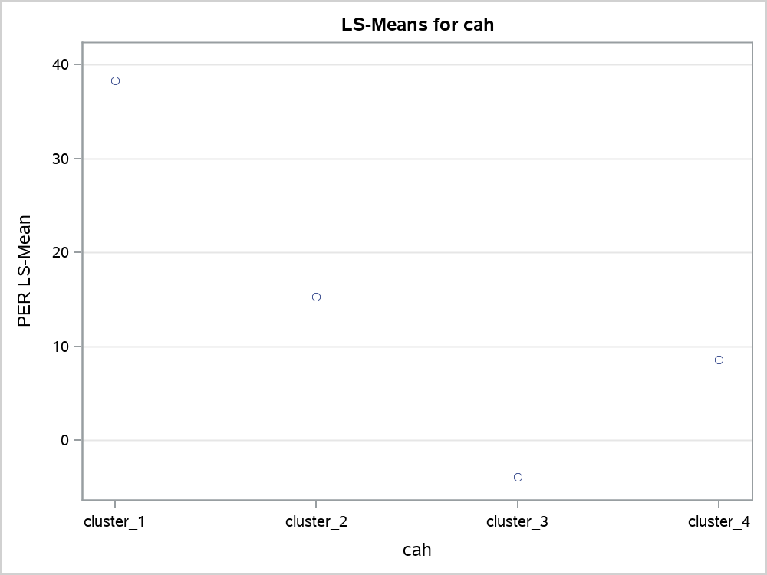
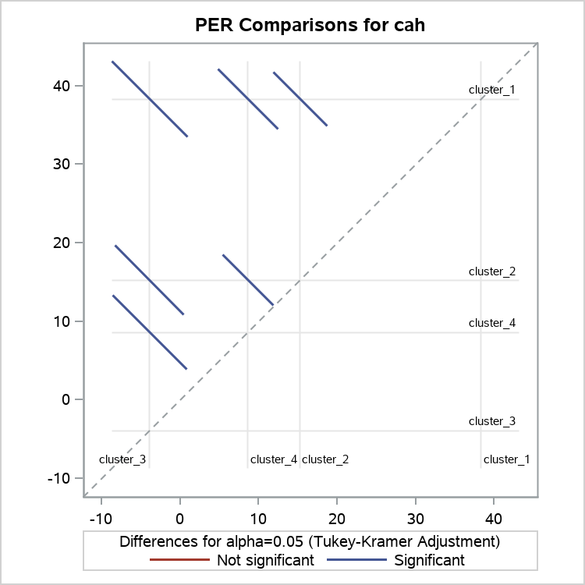
ANOVA sur les clusters cah et Price-to-Earnings en target avec tous les graphs

The GLM Procedure

Class Level Information
Class | Levels | Values
cah | 4 | cluster_1 cluster_2 cluster_3 cluster_4

Number of Observations Read | 110
Number of Observations Used | 110

ANOVA sur les clusters cah et Price-to-Earnings en target avec tous les graphs

The GLM Procedure

Dependent Variable: PER

Source | DF | Sum of Squares | Mean Square | F Value | Pr > F
Model | 3 | 17680.62044 | 5893.54015 | 54.48 | <.0001
Error | 106 | 11466.13415 | 108.17108
Corrected Total | 109 | 29146.75459

R-Square | Coeff Var | Root MSE | PER Mean
0.606607 | 63.53798 | 10.40053 | 16.36900

Source | DF | Type I SS | Mean Square | F Value | Pr > F
cah | 3 | 17680.62044 | 5893.54015 | 54.48 | <.0001

Source | DF | Type III SS | Mean Square | F Value | Pr > F
cah | 3 | 17680.62044 | 5893.54015 | 54.48 | <.0001

ANOVA sur les clusters cah et Price-to-Earnings en target avec tous les graphs

The GLM Procedure
Least Squares Means
Adjustment for Multiple Comparisons: Tukey-Kramer

cah | PER LSMEAN | LSMEAN Number
cluster_1 | 38.3134783 | 1
cluster_2 | 15.2750000 | 2
cluster_3 | -3.8991667 | 3
cluster_4 | 8.6285185 | 4

Least Squares Means for effect cah Pr > |t| for H0: LSMean(i)=LSMean(j) Dependent Variable: PER
i/j | 1 | 2 | 3 | 4
1 |  | <.0001 | <.0001 | <.0001
2 | <.0001 |  | <.0001 | 0.0444
3 | <.0001 | <.0001 |  | 0.0041
4 | <.0001 | 0.0444 | 0.0041

Proc 5 - Logistic
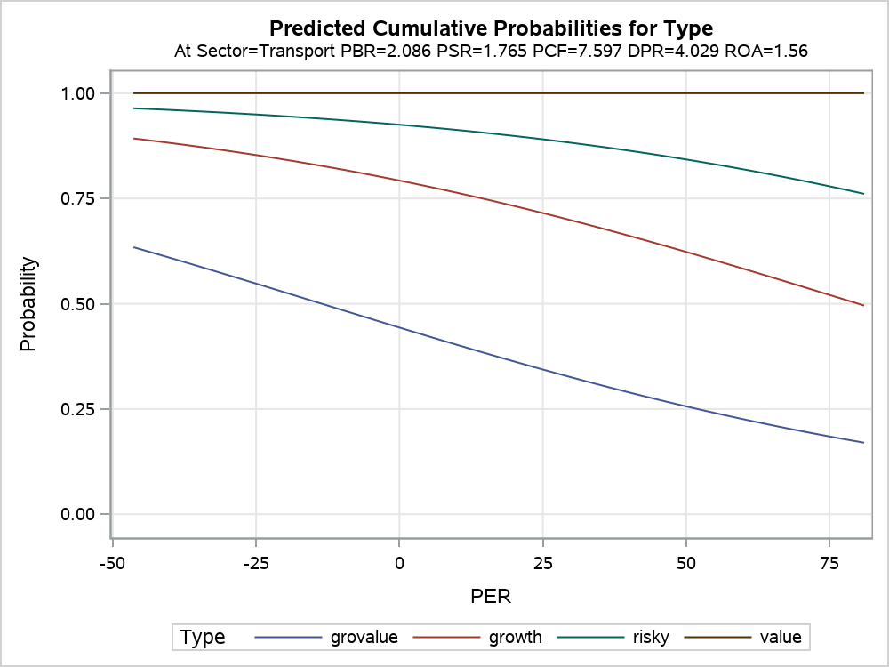
SBF 110 Decision tree with Gini criterion on Type on target

The LOGISTIC Procedure

Model Information
Data Set | WORK.SBF
Response Variable | Type
Number of Response Levels | 4
Model | cumulative logit
Optimization Technique | Fisher's scoring

Number of Observations Read | 110
Number of Observations Used | 110

Response Profile
Ordered Value | Type | Total Frequency
1 | grovalue | 48
2 | growth | 23
3 | risky | 12
4 | value | 27

Note: | Probabilities modeled are cumulated over the lower Ordered Values.

Class Level Information
Class | Value | Design Variables
Sector | Biens d'équipement | 1 | 0 | 0 | 0 | 0 | 0 | 0 | 0 | 0 | 0 | 0
 | Biens de consommation cy | 0 | 1 | 0 | 0 | 0 | 0 | 0 | 0 | 0 | 0 | 0
 | Consommateur/Non cycliqu | 0 | 0 | 1 | 0 | 0 | 0 | 0 | 0 | 0 | 0 | 0
 | Energie | 0 | 0 | 0 | 1 | 0 | 0 | 0 | 0 | 0 | 0 | 0
 | Finance | 0 | 0 | 0 | 0 | 1 | 0 | 0 | 0 | 0 | 0 | 0
 | Fournisseurs de services | 0 | 0 | 0 | 0 | 0 | 1 | 0 | 0 | 0 | 0 | 0
 | Matériaux de base | 0 | 0 | 0 | 0 | 0 | 0 | 1 | 0 | 0 | 0 | 0
 | Santé | 0 | 0 | 0 | 0 | 0 | 0 | 0 | 1 | 0 | 0 | 0
 | Services | 0 | 0 | 0 | 0 | 0 | 0 | 0 | 0 | 1 | 0 | 0
 | Technologie | 0 | 0 | 0 | 0 | 0 | 0 | 0 | 0 | 0 | 1 | 0
 | Transport | 0 | 0 | 0 | 0 | 0 | 0 | 0 | 0 | 0 | 0 | 1

Model Convergence Status
Convergence criterion (GCONV=1E-8) satisfied.

Score Test for the Proportional Odds Assumption
Chi-Square | DF | Pr > ChiSq
122.2608 | 32 | <.0001

Model Fit Statistics
Criterion | Intercept Only | Intercept and Covariates
AIC | 286.625 | 227.889
SC | 294.726 | 279.199
-2 Log L | 280.625 | 189.889

R-Square | 0.5617 | Max-rescaled R-Square | 0.6092

Testing Global Null Hypothesis: BETA=0
Test | Chi-Square | DF | Pr > ChiSq
Likelihood Ratio | 90.7353 | 16 | <.0001
Score | 53.6272 | 16 | <.0001
Wald | 46.4359 | 16 | <.0001

Type 3 Analysis of Effects
Effect | DF | Wald Chi-Square | Pr > ChiSq
PER | 1 | 0.7422 | 0.3890
PBR | 1 | 5.6143 | 0.0178
PSR | 1 | 4.4715 | 0.0345
PCF | 1 | 0.4523 | 0.5012
DPR | 1 | 37.4496 | <.0001
ROA | 1 | 13.3496 | 0.0003
Sector | 10 | 10.8618 | 0.3684

Analysis of Maximum Likelihood Estimates
Parameter |  | DF | Estimate | Standard Error | Wald Chi-Square | Pr > ChiSq
Intercept | grovalue | 1 | 4.1013 | 1.4930 | 7.5465 | 0.0060
Intercept | growth | 1 | 5.6698 | 1.5437 | 13.4900 | 0.0002
Intercept | risky | 1 | 6.8460 | 1.5887 | 18.5681 | <.0001
PER |  | 1 | -0.0168 | 0.0195 | 0.7422 | 0.3890
PBR |  | 1 | -0.3831 | 0.1617 | 5.6143 | 0.0178
PSR |  | 1 | -0.2491 | 0.1178 | 4.4715 | 0.0345
PCF |  | 1 | 0.0136 | 0.0202 | 0.4523 | 0.5012
DPR |  | 1 | -0.8706 | 0.1423 | 37.4496 | <.0001
ROA |  | 1 | 0.2019 | 0.0553 | 13.3496 | 0.0003
Sector | Biens d'équipement | 1 | 0.3869 | 1.4686 | 0.0694 | 0.7922
Sector | Biens de consommation cy | 1 | 0.1448 | 1.5208 | 0.0091 | 0.9242
Sector | Consommateur/Non cycliqu | 1 | -0.6507 | 1.5665 | 0.1725 | 0.6779
Sector | Energie | 1 | -1.2074 | 1.7124 | 0.4971 | 0.4808
Sector | Finance | 1 | -1.1280 | 1.4990 | 0.5663 | 0.4518
Sector | Fournisseurs de services | 1 | -0.7626 | 1.8107 | 0.1774 | 0.6736
Sector | Matériaux de base | 1 | -2.2858 | 1.5388 | 2.2065 | 0.1374
Sector | Santé | 1 | -1.5823 | 1.4647 | 1.1671 | 0.2800
Sector | Services | 1 | -0.00048 | 1.3859 | 0.0000 | 0.9997
Sector | Technologie | 1 | -0.4536 | 1.4518 | 0.0976 | 0.7547
Sector | Transport | 0 | 0 | . | . | .

Odds Ratio Estimates
Effect | Point Estimate | 95% Wald Confidence Limits
PER | 0.983 | 0.947 | 1.022
PBR | 0.682 | 0.497 | 0.936
PSR | 0.780 | 0.619 | 0.982
PCF | 1.014 | 0.974 | 1.055
DPR | 0.419 | 0.317 | 0.553
ROA | 1.224 | 1.098 | 1.364
Sector Biens d'équipement vs Transport | 1.472 | 0.083 | 26.189
Sector Biens de consommation cy vs Transport | 1.156 | 0.059 | 22.769
Sector Consommateur/Non cycliqu vs Transport | 0.522 | 0.024 | 11.240
Sector Energie vs Transport | 0.299 | 0.010 | 8.575
Sector Finance vs Transport | 0.324 | 0.017 | 6.110
Sector Fournisseurs de services vs Transport | 0.466 | 0.013 | 16.222
Sector Matériaux de base vs Transport | 0.102 | 0.005 | 2.076
Sector Santé vs Transport | 0.205 | 0.012 | 3.627
Sector Services vs Transport | 1.000 | 0.066 | 15.117
Sector Technologie vs Transport | 0.635 | 0.037 | 10.933

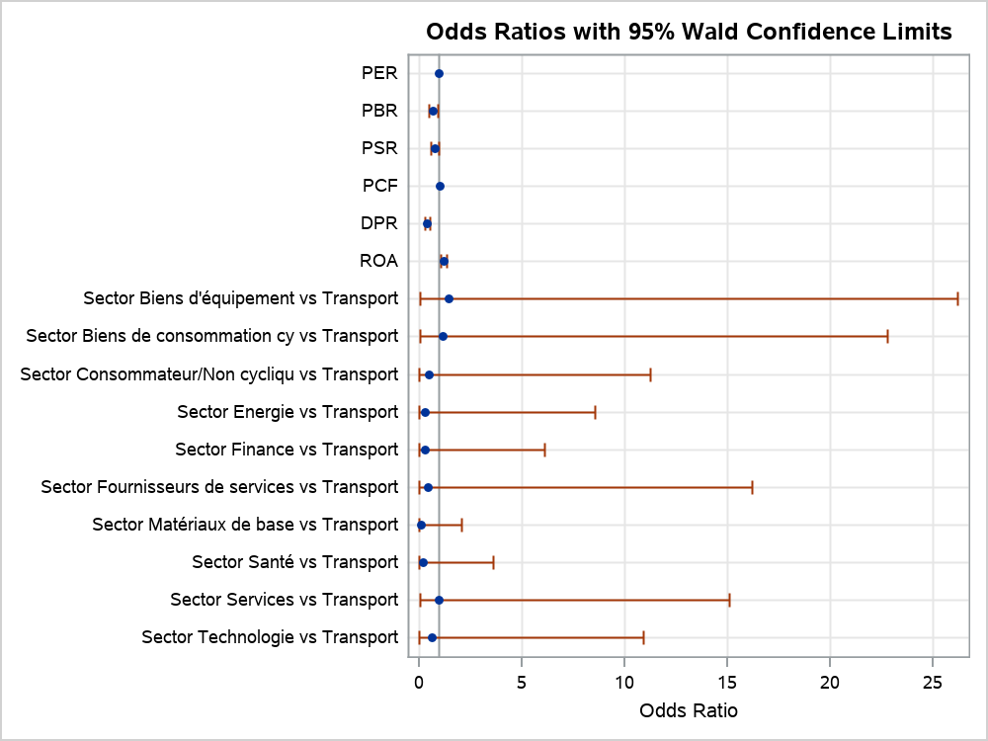

Association of Predicted Probabilities and Observed Responses
Percent Concordant | 84.9 | Somers' D | 0.699
Percent Discordant | 15 | Gamma | 0.7
Percent Tied | 0.1 | Tau-a | 0.489
Pairs | 4197 | c | 0.849

